Sheet1
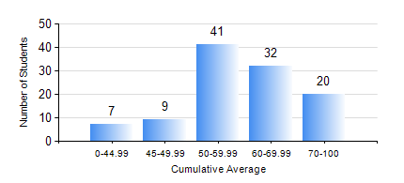
 |  |  | KWAME NKRUMAH UNIVERSITY OF SCIENCE AND TECHNOLOGY, KUMASI Department of Geomatic Engineering

 |  |  | BSC. GEOMATIC ENG.

 |  |  | COMPREHENSIVE RECORD OF EXAMINATION RESULTS

 |  |  | RESULTS OF YEAR 2 SECOND SEMESTER, 2023/2024 ACADEMIC YEAR

 | Sn | Course Code |  | Course Name | Credit Hours | Min. Mark | Max. Mark | Avg. Mark | Std. Dev. | No. Passed | No. Trailed | No. (Df) | No. (I) | No. (I*) | No. Tagged(I,I*,Df) | Total
 | 0. |  |  |  |  |  |  | 0 | 0 | 0 | 0 | 0 | 0 | 0 | 0 | 8
 | 1. | CE 260 |  | SOIL AND ROCK MECHANICS | 3 | 2 | 91 | 53 | 16.96 | 89 | 12 | 0 | 0 | 0 | 0 | 101
 | 2. | ENGL 264 |  | LITERATURE IN ENGLISH II | 1 | 23 | 80 | 60 | 9.35 | 100 | 1 | 0 | 0 | 0 | 0 | 101
 | 3. | GE 262 |  | PRINCIPLES OF REMOTE SENSING | 3 | 13 | 85 | 59 | 14.59 | 94 | 7 | 0 | 0 | 0 | 0 | 101
 | 4. | GE 272 |  | ENGINEERING SURVEY II | 3 | 12 | 84 | 62 | 14.11 | 96 | 5 | 0 | 0 | 0 | 0 | 101
 | 5. | GE 284 |  | HYDROGRAPHIC SURVEYING AND MARINE SCIENCE | 3 | 22 | 85 | 63 | 11.52 | 99 | 1 | 0 | 1 | 0 | 1 | 101
 | 6. | GE 292 |  | PRACTICAL TASK II | 4 | 56 | 90 | 74 | 7.89 | 97 | 0 | 4 | 0 | 0 | 4 | 101
 | 7. | MATH 252 |  | CALCULUS WITH SEVERAL VARIABLES | 4 | 13 | 87 | 64 | 11.34 | 99 | 1 | 0 | 1 | 0 | 1 | 101

